1. Title Page
[Project Name]

Project Name: Instacart Grocery Basket Analysis
Date: October 2024
Analyst Name: Ankita Bangalore Shashidhar

Contents:
Population Flow
Consistency checks
Wrangling steps
Column derivations
Visualizations
Recommendations

Data Source:
"The Instacart Grocery Shopping Dataset 2017", Accessed from https://www.instacart.com/datasets/grocery-shopping-2017 on November 10, 2022

Data Citation:
Customer data and the “prices” column in the products data set were fabricated for the purpose of this course.

2. Population Flow
Title page

Population flow

Exclusion flag
Condition: max_order <
Obervations to be removed:
Final total count of order_products_all:

Orders_products_merged
Orders_products_combined
Orders_products_all

Total: 32404859
Total: 32434489
Total: 32404859

1.) The grey boxes in the first row of the population flow represent the original data sets as they were when you downloaded them. In the Total fields you need to add the count of the rows when you imported the data set into Jupyter.
2.) The second row of boxes (coloured) represents the data sets after you manipulated them, e.g., removed missing values and duplicates. In the Total fields you need to add the count of the rows after conducting these operations. This offers a visual oveview of how the data flows throughout the data consistency checks.
3.) The third row, where also the arrows are coloured, represents the merges you performed between the datasets. In the Total fields you need to add the count of the rows in the merged datasets, so that you end up with the final dataset (in the red box). Keep in mind the final dataset should be without exclusions (based on the exclusion flag).

3. Consistency checks
 |  |  |  | Title page
Consistency checks

Dataset | Missing values | Missing values treatment | Duplicates
orders | days_since_prior_order (206209) | Added a new column first_order as flag variable | No duplicates found
products | product_name (16) | removed them | dropped 5 duplicate rows
orders_products_prior | No missing values | NA | No duplicates found
customers | first_name (11,259) | Removed due to PII risk. | No duplicates

4. Wrangling steps
 |  |  |  |  | Title page
Wrangling steps

Data set | Columns dropped | Columns renamed | Columns' type changed | Comment/Reason
orders | eval_set |  |  | not necessary for analysis
 |  | order_dow |  | ambiguous column name, changed to orders_day_of_week
 |  |  | order_id | changed to string
 |  |  | user_id | changed to string
department |  | index |  | transposed dataset and added an index and new header
 |  |  | user_id | changed to string
customers |  | FIRST_NAME |  | Changed to first_name for consistency
 |  | surnam |  | Change to surname for consistency
 |  | STATE |  | Changed to state for consistency
 |  | Age |  | Changed to age for consistency
 |  | fam_status |  | Changed to marital_status for consistency
 |  | Gender |  | Changed to gender for consistency

5. Column derivations
 |  |  |  |  |  | Title page

Column derivations and aggregations

In this tab you should add tables below that the frequences of flags/label variables that you produced after deriving them. NB: don't do this for continuous variables, only for flags.
Dataset | New column | Column/s it was derived from | Conditions
ords_prod_merge | price_range_loc | prices | if price is <=5 = 'Low-range product'
 |  |  | if price is >5 and <=15 = 'Mid-range product'
 |  |  | if price is >15 = 'High-range product
ords_prod_merge | busiest_day | order_dow | 0 (Saturday) = busiest day | price_range_loc | age_group
 |  |  | 4 (Wednesday) = least busy | Mid-range product 21860860 | Older Adult 12085297
 |  |  | any other day of the week = regularly busy | Low-range product 10126321 | Senior 7730834
ords_prod_merge | busiest_days | order_dow | 0 or 1 (Saturday or Sunday) = busiest days | High-range product 417678 | Adult 7283915
 |  |  | 3 or 4 (Tuesday or Wednesday) = slowest days | Name: count, dtype: int64 | Young Adult 3864518
 |  |  | any other day of the week = regular days
ords_prod_merge | busiest_period_of_day | order_hour_of_day | 10 (10:00 am) = most orders | busiest_day | income_group
 |  |  | 3 (3:00 am) = fewest orders | Regularly busy 22416875 | High 14207028
 |  |  | any other hour of the day = average orders | Busiest day 6204182 | Middle 13394982
ords_prod_merge | max_order | user_id, 'order_number' | This gets the maximum frequency of orders ('order_number') grouped by customer ('user_id'). | Least busy 3783802 | Low 3362554
ords_prod_merge | loyalty_flag | max_order | if max_order is >40, then labeled as "Loyal customer' | Name: count, dtype: int64 | Name: count, dtype: int64
 |  |  | if max_order is <=40 and >10, then labeled as "Regular customer'
 |  |  | if max_order is <=10, then labeled as 'New customer' | busiest_days | dependents_flag
ords_prod_merged | mean_price | user_id, 'prices' | This gets the average price purchased, grouped by 'user_id' | Regularly busy 12916111 | Has Dependents 23224883
ords_prod_merged | spender_type | avg_purchase_price | If avg_purchase_price <10, then labeled as 'Low spender' | Busiest days 11864412 | No Dependents 7739681
 |  |  | If avg_purchase_price >=10, then labeled as 'High spender' | Slowest days 7624336 | Name: count, dtype: int64
ords_prod_merged | median_prior_order | user_id', 'days_since_prior_order' | This gets the median 'days_since_prior_order' and groups by 'user_id' | Name: count, dtype: int64 | Name: count, dtype: int64
ords_prod_merged | frequency | median_days | If median_days >20, then labeled as 'Non-frequent customer'
 |  |  | If median_days >10 and <=20, then labeled as 'Regular customer' | busiest_period_of_day
 |  |  | If median_days <=10, then labeled as 'Frequent customer' | Most orders 21118071 | region
instacart | income_group | income | If income less than or equal to 50,000 then 'Low ' | Average orders 9997651 | South 10791885
 |  |  | If income greater than 50,000 and less than or equal to 100,000 then 'Middle ' | Fewest orders 1289137 | West 8292913
 |  |  | If income greater than 100,000 then 'High ' | Name: count, dtype: int64 | Midwest 7597325
instacart | age_group | Age | If age less than or equal to 25 then young adult. (0-24) |  | Northeast 5722736
 |  |  | If age greater than 25 & less than or equal to 40 then adult. (25-40) | loyalty_flag | Name: count, dtype: int64
 |  |  | If age greater than 40 & less than or equal to 65 then Older adult. (40-65) | Regular customer 15876776
 |  |  | If age greater than 65 then senior. (65+) | Loyal customer 10284093
instacart | region | state | Northeast_states = ['Maine', 'New Hampshire', 'Vermont', 'Massachusetts', 'Rhode Island', 'Connecticut', 'New York', 'Pennsylvania', 'New Jersey'] | New Customer 6243990
 |  |  | Midwest_states = ['Wisconsin', 'Michigan', 'Illinois', 'Indiana', 'Ohio', 'North Dakota', 'South Dakota', 'Nebraska', 'Kansas', 'Minnesota', 'Iowa', 'Missouri'] | Name: count, dtype: int64
 |  |  | Southern_states = ['Delaware', 'Maryland', 'District of Columbia', 'Virginia', 'West Virginia', 'North Carolina', 'South Carolina', 'Georgia', 'Florida', 'Kentucky', 'Tennessee', 'Mississippi', 'Alabama', 'Oklahoma', 'Texas', 'Arkansas', 'Louisiana']
 |  |  | Western_states = ['Idaho', 'Montana', 'Wyoming', 'Nevada', 'Utah', 'Colorado', 'Arizona', 'New Mexico', 'Alaska','Washington', 'Oregon', 'California', 'Hawaii'] | spending_type
instacart | dependents_flag | number_of_dependents | If number of dependents > 0, then 'Has dependents' | Low Spender 31770614
 |  |  | If number of dependents <= 0, then 'No dependents' | High Spender 634245
customer_profile | order_total | user_id,price, order_number,loyalty_flag,spender_type,region,age_group,income_group,dependents_flag,days_since_prior_order | This gets the sum of all prices, grouped by user_id, order_number, loyalty_flag, spender_type, region,age_group, marital_status, income_group, dependents_flag, days_since_prior_order | Name: count, dtype: int64

 |  |  |  | Frequency
 |  |  |  | Frequent Customer 21559853
 |  |  |  | Regular Customer 7208564
 |  |  |  | Non-frequent Customer 3636437
 |  |  |  | Name: count, dtype: int64

6. Visualizations
 |  |  |  |  |  |  | Title page

Visualisations

1 | The sales team needs to know what the busiest days of the week and hours of the day are (i.e., the days and times with the most orders) in order to schedule ads at times when there are fewer orders.

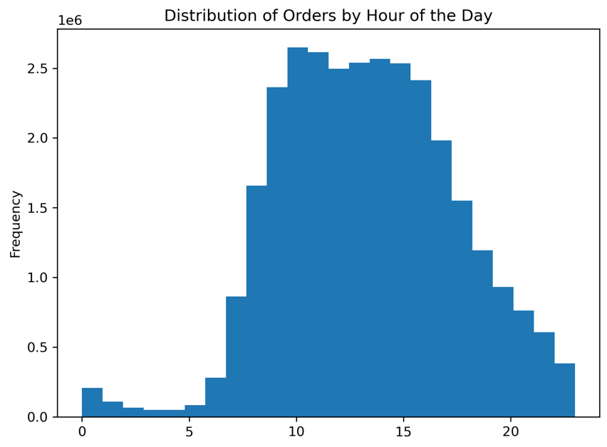
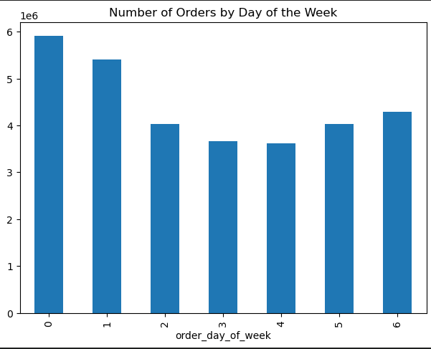

 |  |  | Order day of Week Legend
 |  |  | # | Day
 |  |  | 0 | Saturday
 |  |  | 1 | Sunday
 |  |  | 2 | Monday
 |  |  | 3 | Tuesday
 |  |  | 4 | Wednesday
 |  |  | 5 | Thursday

The busiest days of the week are Saturday and Sunday between the hours of 8 am to 4 pm. The least busy day is Wednesday between the hours of 2 am to 5 am.

2 | They also want to know whether there are particular times of the day when people spend the most money, as this might inform the type of products they advertise at these times

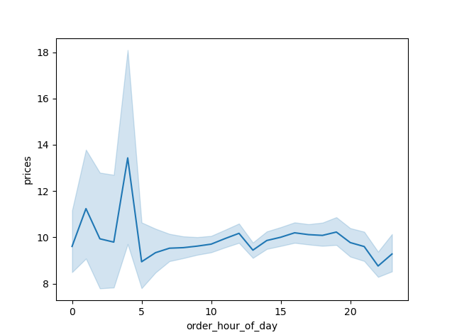

 |  |  |  | People spend the most money during the hours of 8am to 4pm. 9 am is when people spend the most money. Therefore, Instacart should utilize those times to advertise specific products.

 | 3 | Are there certain types of products that are more popular than others? The marketing and sales teams want to know which departments have the highest frequency of product orders.

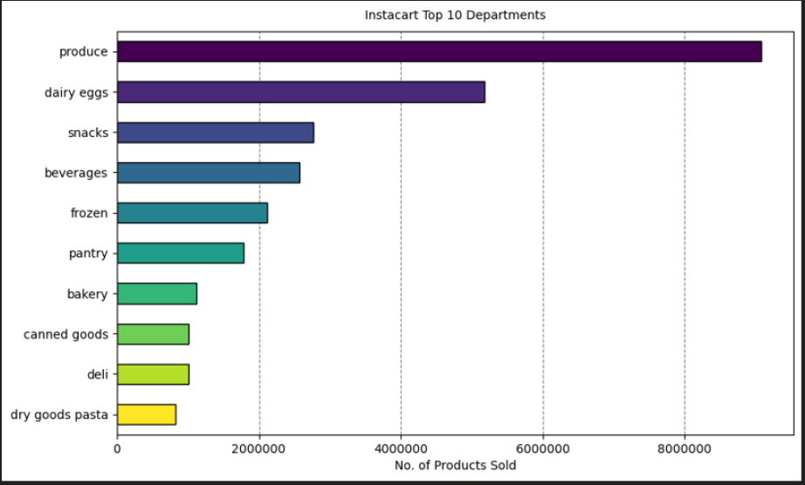

 |  |  |  |  | The bar chart shows the most popular products (by far) come from produce. The next most ordered from departments are dairy/eggs, snacks, beverages, and frozen.

 | 4 | What’s the distribution among users in regards to their brand loyalty (i.e., how often do they return to Instacart)?

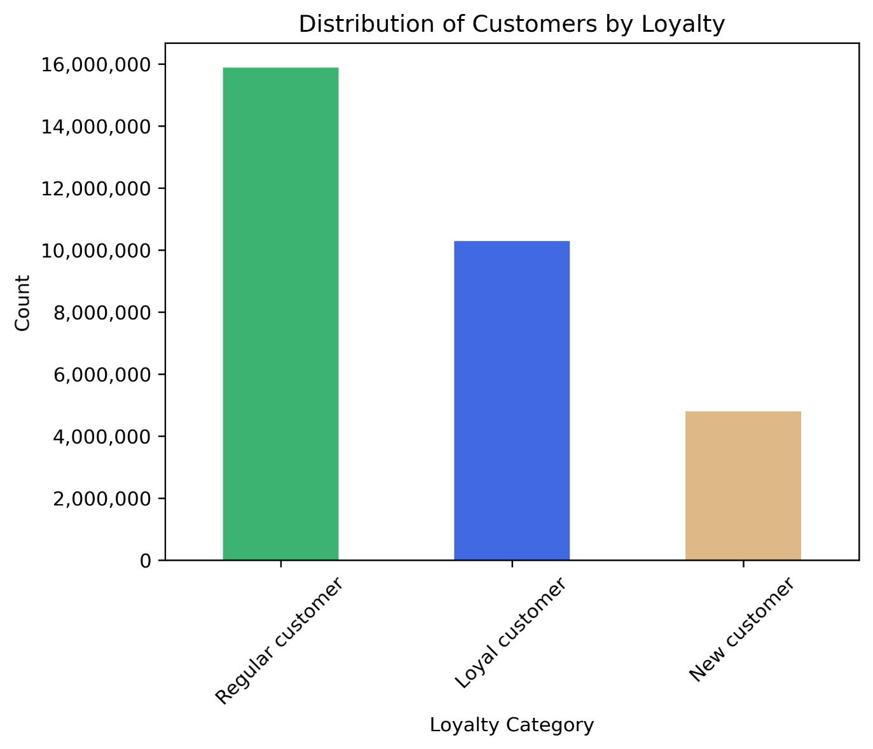

 |  |  |  | Regular and loyal customers contribute more to sales (as in # of items sold).

5 | Are there differences in ordering habits based on a customer’s loyalty status?

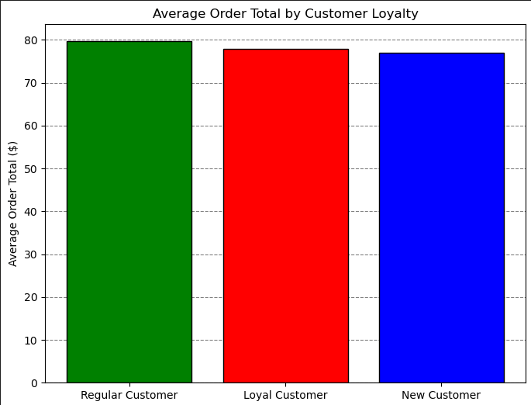
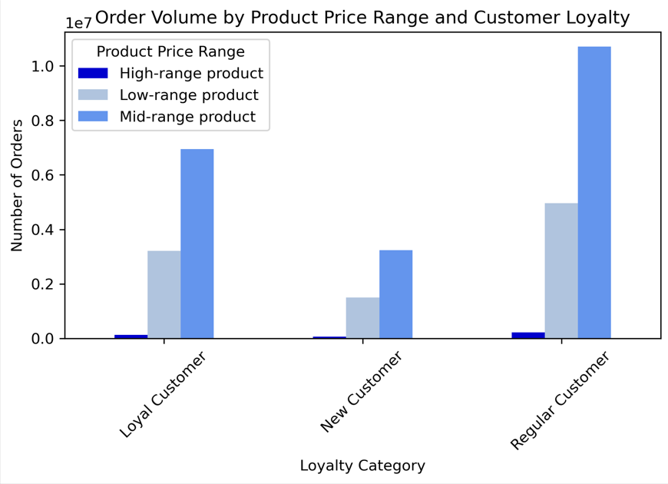
Left Graph: shows that the average order total is close to equal between each grouping of customer's. It would seem loyalty status is not an indicator of specific ordering habits, although further analysis into other ordering habits may be needed.

Right Graph : There does not seem to be a correlation between what types of products customers' buy related to their loyalty status. Regardless of loyalty status, each loyalty category follows the same trend; low number of orders for high-range products, high number of orders for mid-range products, and a medium number of orders for low-range products.
The majority of customers purchase mid or low-range products.

6 | Are there differences in ordering habits based on a customer’s region?

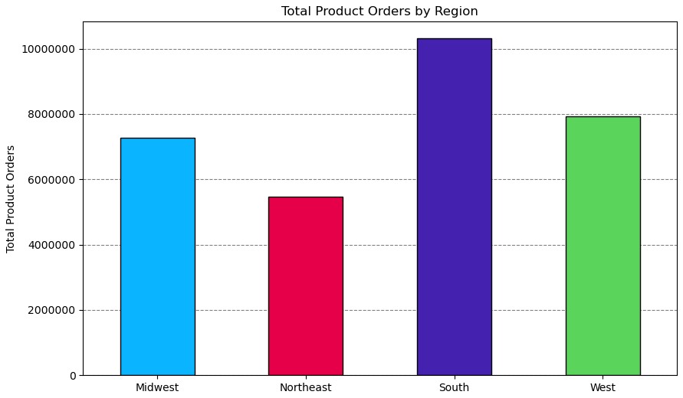
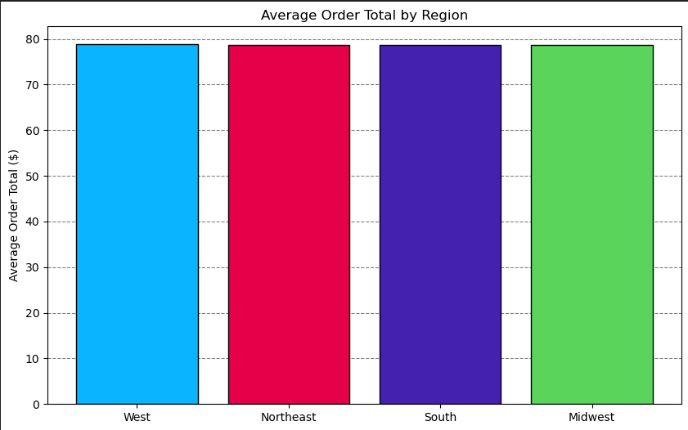

Total Product Orders are more in southern states, may be due to high population. However average order total is almost same across all regions.

Married People contribute to the maximun number of cutomers in all regions, followed by single, divorced/widowed and living with parents and siblings.
Older Adult group contributes to the maximun number of customers across all regions, followed by senior, adult and young adult groups.
High Income group contributes to the maximun number of customers across all regions, followed by middle and low income groups.

Customers having dependents are more in all regions than customers without dependents.
Low Spenders are more in all regions than High Spenders.
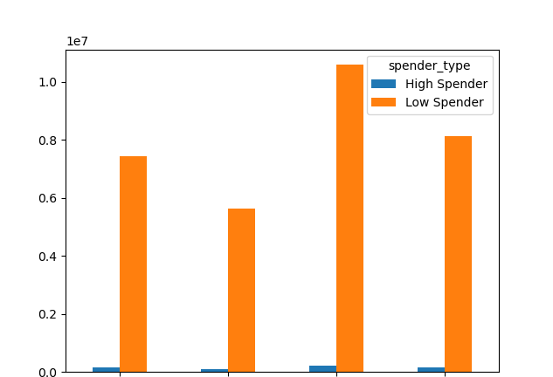

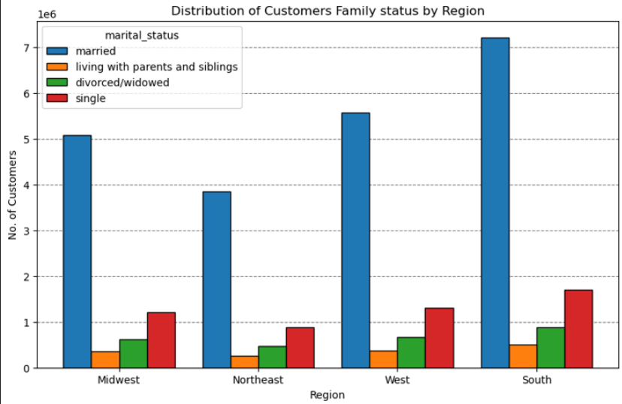
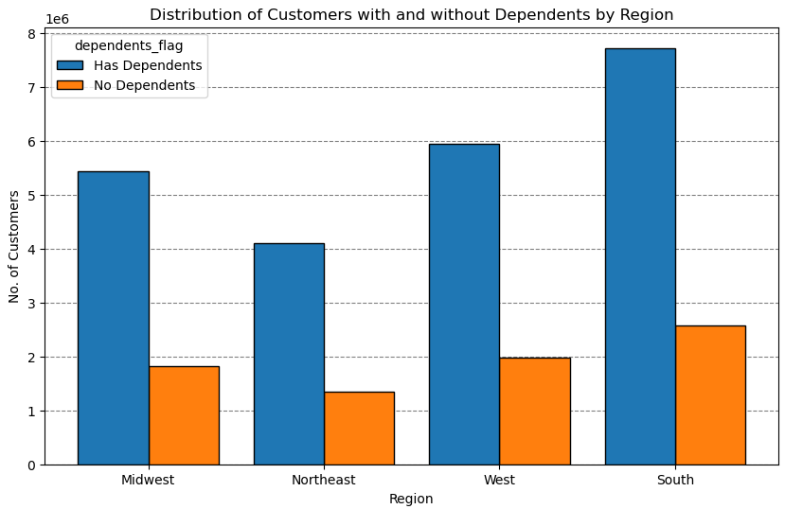
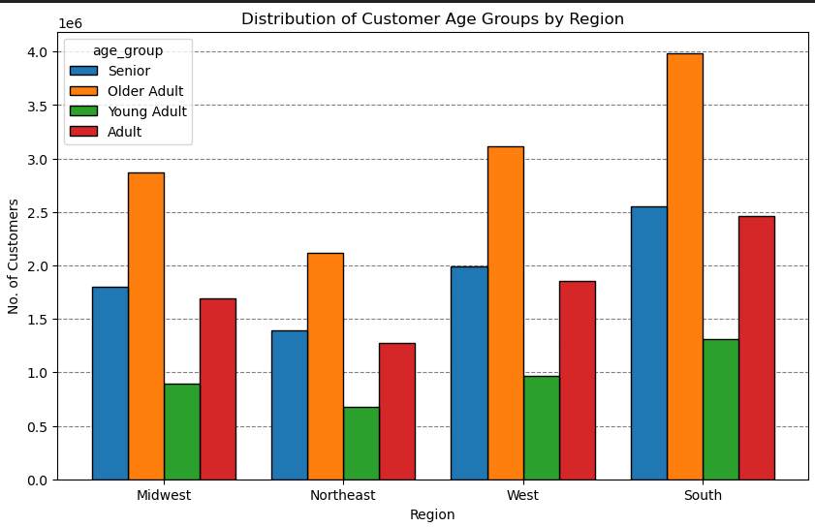
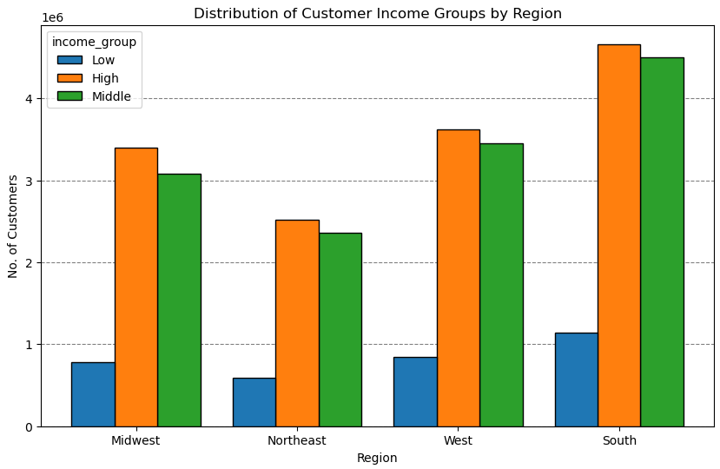

7 | Is there a connection between age and family status in terms of ordering habits?

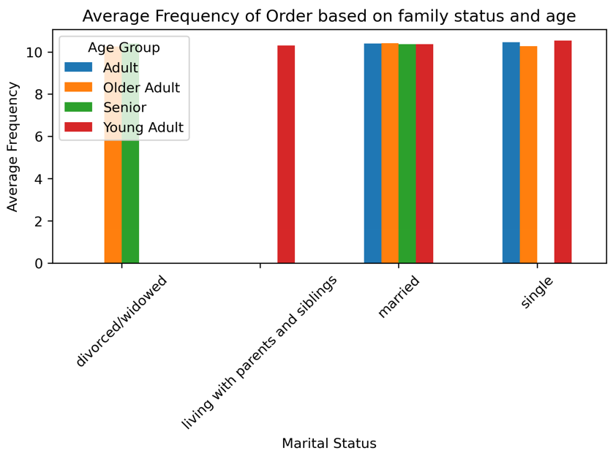
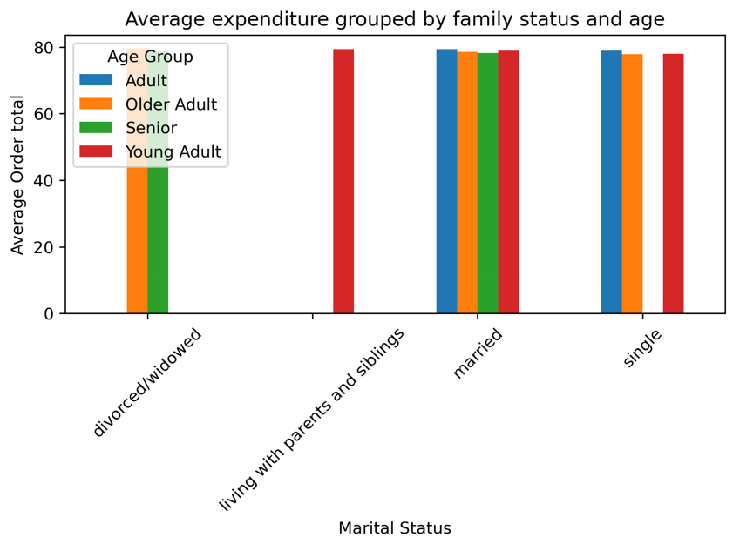
The graph shows that, the Average Expenditure and Average Frequency of Order for different combinations of age groups and marital status is almost same.

8. What different classifications does the demographic information suggest? Age? Income? Certain types of goods? Family status?
In 'Older Adult' and 'Senior' Age Groups, there are more number of High Income Customers followed by 'Middle' and 'Low' Income Groups which means that as the age increases, the income also increases. Where as in 'Young Adult' and 'Adult' Age groups, There are more number of Middle Income Group Customers, follwed by Low and High Income Groups which means there are very few young customers who have high income.
Age Group Classifications:
Older Adult group contributes to the maximun number of customers , followed by Senior, Adult and Young Adult groups.
In all age groups, customers with dependents are more than customers without dependents.
In all age groups, there are more number of frequent customers followed by regular and non-frequent customers.

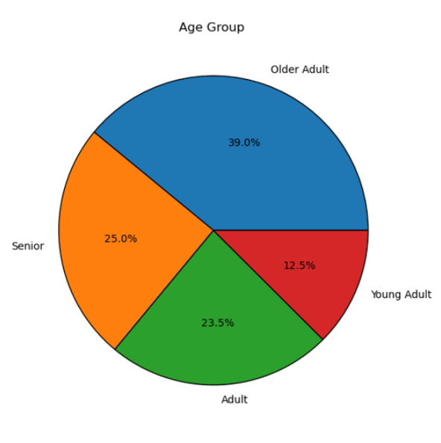
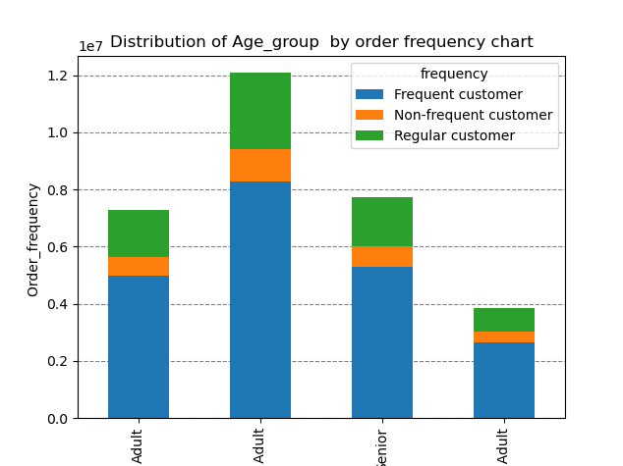

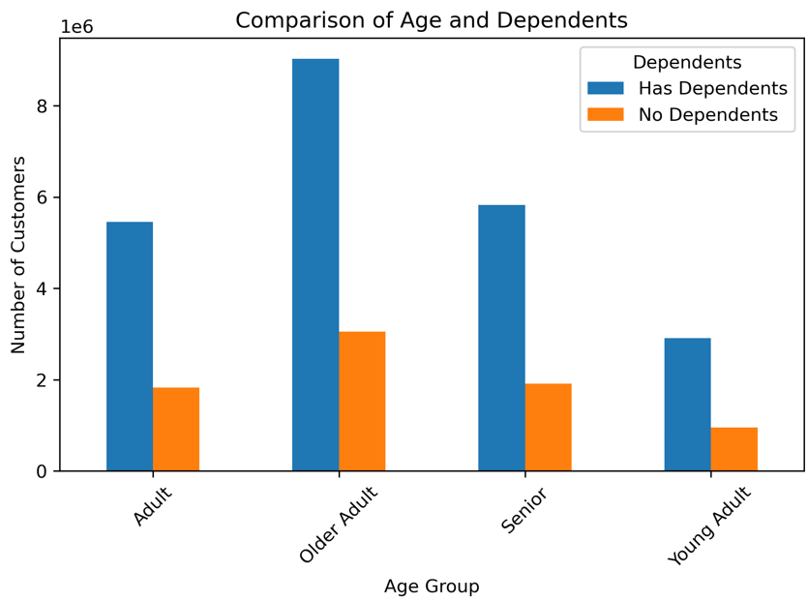
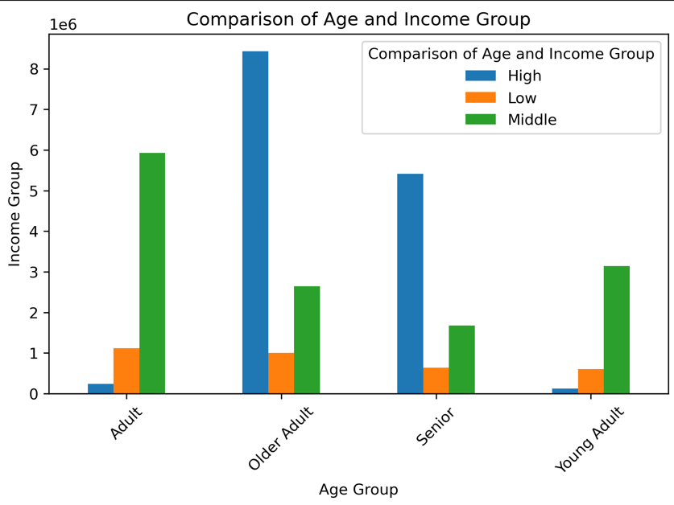

Young
Older
Income Group Classifications:

High Income group contributes to the maximun number of customers , followed by Middle and Low Income groups.
Average Order Amount is highest in High Income Group people followed by middle and low income groups.
In all income groups, there are more number of frequent customers followed by regular and non-frequent customers.

Income Group
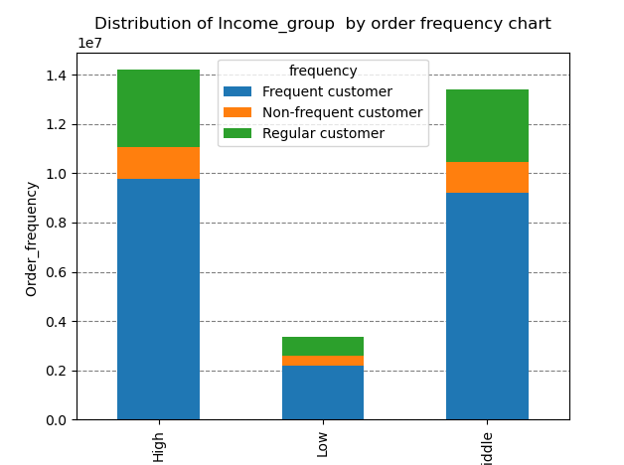

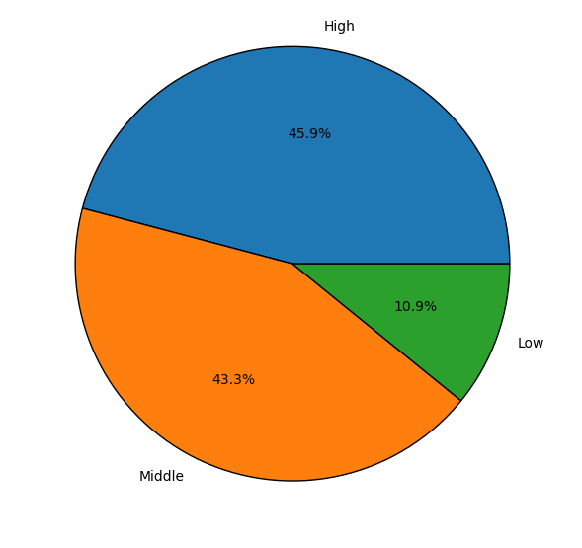
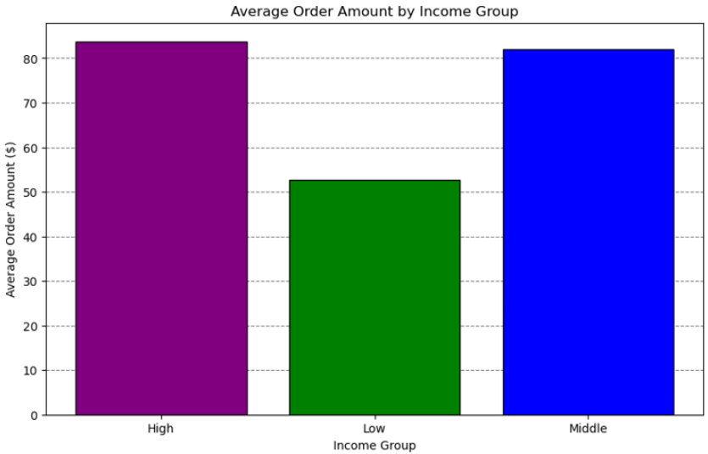

Department Classification:
There appears to be no difference in spending patterns by department for each age group, income group, num.of dependents, region or order frequency.

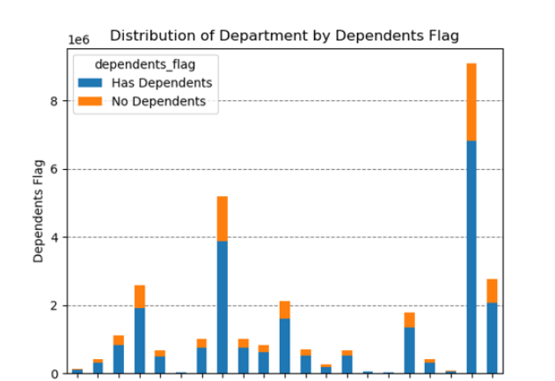
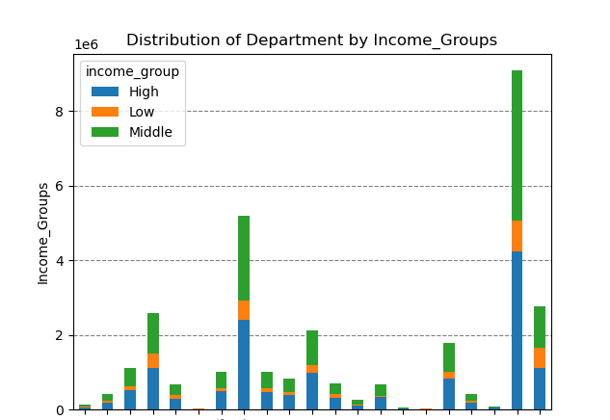
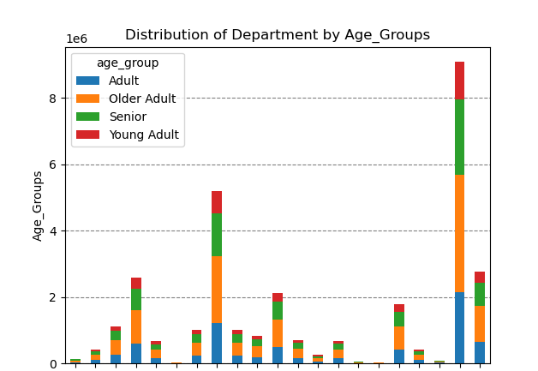
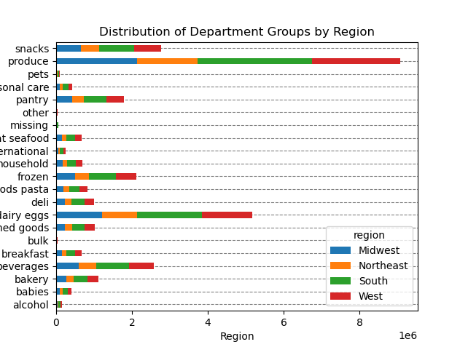
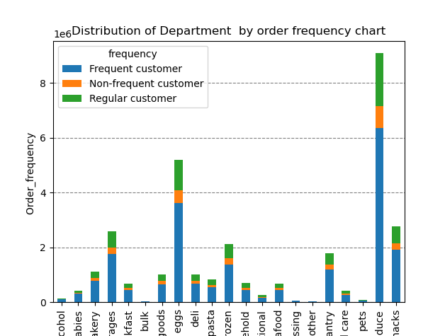



9 | What differences can you find in ordering habits of different customer profiles? consider the price of orders, frequency of orders, products customers are ordering, and anything else you can think of.

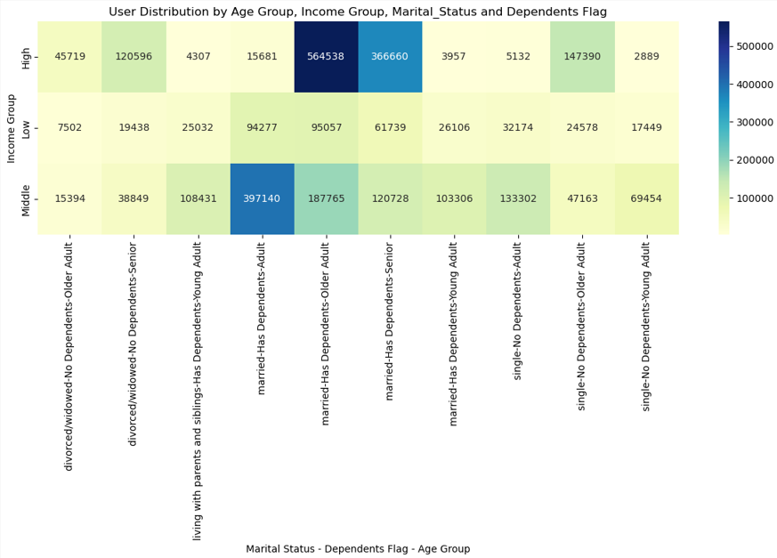

 |  |  |  |  |  | The heat map shows a lot of variation based on combination of age-group, marital status and income group. It suggests that age group might be a strong factor influencing spending habits among customers.

7. Recommendations
 |  |  | Title page

Recommendations

 | Question | Answer
Key Question 1 | What days of the week and hours of the day are busiest? | The busiest days of the week are Saturday and Sunday between the hours of 8 am to 4 pm. The least busy day is Wednesday between the hours of 2 am to 5 am. Therefore, Instacart should schedule ads on Wednesday during the times 6 am to 8 am and 5pm to 10 pm. Scheduling it earlier than 6 am and later than 10 pm will not be beneficial as people might not be awake.

Key Question 2 | What times of the day do people spend the most money? | People spend the most money during the hours of 8am to 4pm. 9 am is when people spend the most money. Therefore, Instacart should utilize those times to advertise specific products by providing early morning promotional ads, such as early bird discounts, particularly on slower days like Tuesday and Wednesday.

Key Question 3 | Are there certain types of products that are more popular than others? | The top 5 products are produce, dairy and eggs, snacks, beverages and frozen food. Therefore, Instacart should provide special offers on those categories to keep drawing customers' attention and activity. Instacart should also prmote and provide discounts on poorly performing departments to increase sales.

Key Question 4 | What's the distribution amoung users in regards to their brand loyalty? | Regular Customers contribute highest to the sales, followed by Loyal Customers. New Customers contibute the least. Instacart should aim to convert the decent flow of its new customers to regular customers or even loyal customers through promotional welcome incentives. Increase engagment with regular customers to encourage them to become loyal customers through offered discount incentives.

Key Question 5 | Are there differences in ordering habits based on a customer's loyalty status? | The average order total is almost the same for all customers irrespective of their loyalty status. It seems that loyalty status is not an indicator of specific ordering habits. There does not seem to be a correlation between types of products customers' buy to their loyalty status. Regardless of the loyalty status, each loyalty category follows the same trend; low number of orders for high-range products, high number of orders for mid-range products, and a medium number of orders for low-range products. Majority of customers purchase mid or low-range products.

Key Question 6 | Are there differences in ordering habits based on a customer's region? | Total Product Orders are more in southern states ( may be due to high population) followed by West, Midwest and East. However average order total is almost same across all regions. Married People contribute to the maximun number of cutomers in all regions, followed by single, divorced/widowed and living with parents and siblings. In every region, Instacart customers are mostly Older adults, followed by Senior, Adults and Young Adult Group. Customers having dependents are more in all regions than customers without dependents. High Income group contributes to the maximun number of customers across all regions, followed by middle and low income groups.Low Spenders are more in all regions than High Spenders. Instacart should focus on advertising to the South; however, Instacart should focus more on customers in the West and the Midwest as those regions are not too far from South.

Key Question 7 | Is there a connection between age and family status in terms of ordering habits? | The Average Expenditure and Average Frequency of Order for different combinations of age groups and marital status is almost same.There is no specific relation between age and family status in terms of ordering habits. Most of Instacart frequent, non-frequent, and regular customers are married. It is followed by single people, divorced/widowed people and lastly people who live with their parents and siblings.

Key Question 8 | What different classifications does the demographic information suggest? Age? Income? Certain types of goods? Family status? | -There is a positive correlation between age and income. As the age increases, income also increases. - There is no correlation betweem age and the number of dependents, or between age and frequency of orders . - Average Order Amount is almost same in High and middle Income Group people and is less in low income groups. - Frequency of Orders is not dependent on Income Groups.

Key Question 9 | What differences can you find in ordering habits of different customer profiles? consider the price of orders, frequency of orders, products customers are ordering, and anything else you can think of. | There is a lot of variation based on combination of age-group, marital status and income group. It suggests that age group might be a strong factor influencing spending habits among customers. - Target High-Income Seniors: Focus marketing efforts on high-income senior profiles across all regions. These customers consistently show high spending in the grocery category, making them a key segment for loyalty programs, premium offerings, and exclusive deals. - Expand Niche Categories: Increase visibility and appeal of underperforming departments like ""Personal Care"" and ""Pets & Babies"" by offering targeted promotions or introducing new products that cater to specific needs, particularly for low-income or niche customer segments. - Develop Regional Marketing Strategies: Tailor campaigns to regional differences, emphasizing high-income and senior profiles in the South and West. In regions where customer profiles are underrepresented, explore new product offerings or localized promotions to stimulate growth. - Cater to Small Families: Enhance convenience for small families by offering solutions like meal kits, bulk buying options, or subscription services. These strategies could increase purchase frequency and basket size among this consistently reliable customer base."

